Product Mix - Furniture
Flair Furniture produces inexpensive tables and chairs. Each table takes 3 hours of carpentry work and 2 hours of painting work. Each chair requires 4 hours of carpentry and 1 hour of painting. As well, 2400 hours of carpentry time and 1000 hours of painting time are available. The forecasted demand for chairs is 450 and we are contractually obligated to provide at least 100 tables. Each table sold results in a profit contribution of $7 and each chair sold yields a profit contribution of $5. How many tables and chairs should the company produce?

Product Mix - Motors
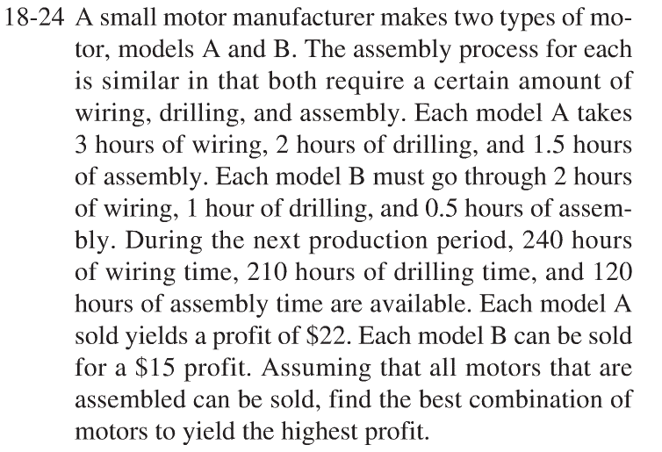

Advertising Mix


Finance Mix


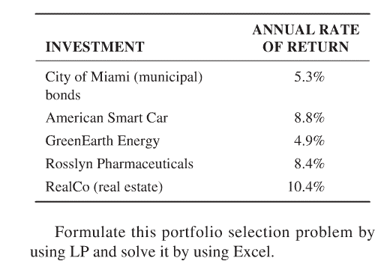

Product Mix - Sheds
